gsm_rxlev_sub_dbm
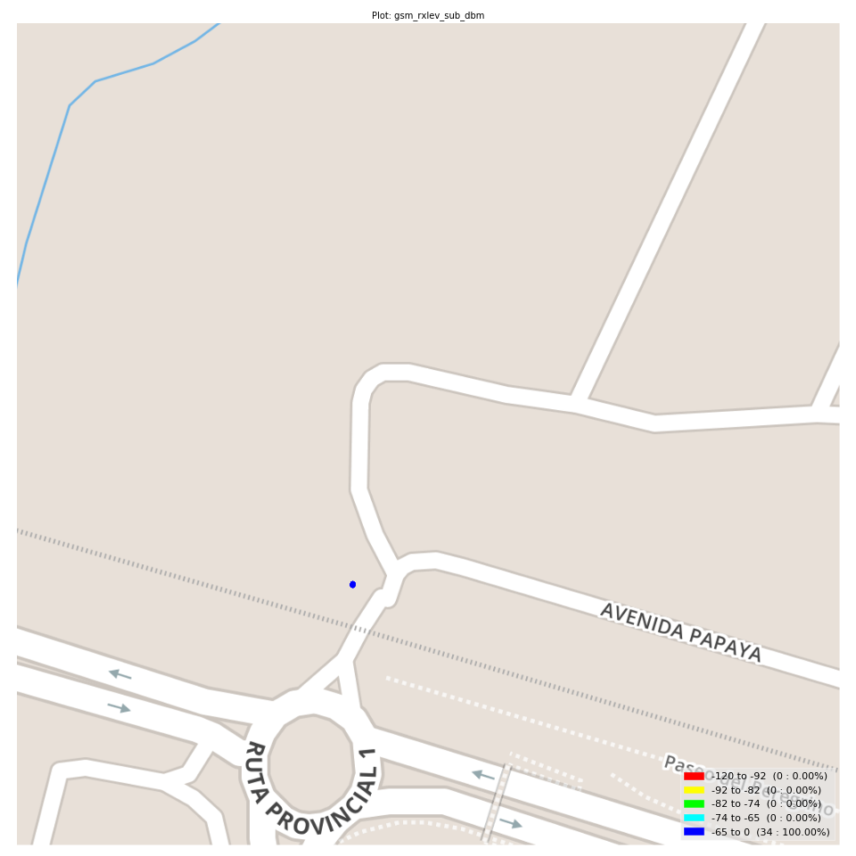
gsm_rxlev_sub_dbm Report

Sampling Distribution Histogram
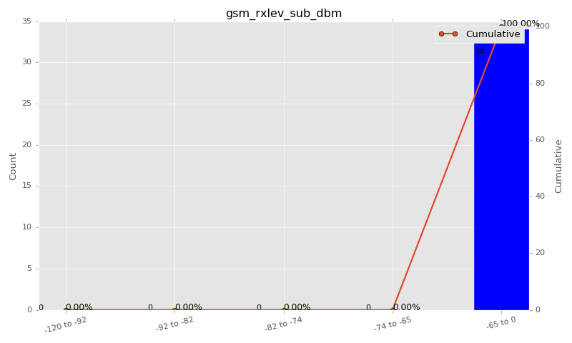

Sampling Distribution Table (first 10 ranges)
ColorXml | Lower | Upper | N Samples | Range | % | Cumulative %
 | -120 | -92 | 0 | -120 to -92 | 0.00 | 0.00
 | -92 | -82 | 0 | -92 to -82 | 0.00 | 0.00
 | -82 | -74 | 0 | -82 to -74 | 0.00 | 0.00
 | -74 | -65 | 0 | -74 to -65 | 0.00 | 0.00
 | -65 | 0 | 34 | -65 to 0 | 100.00 | 100.00

Basic statistics
N | 34
Mean | -59.50
SD | 2.03
MAX | -55.00
Median | -59.50
Min | -64.00

Geographical Plot

gsm_rxqual_sub
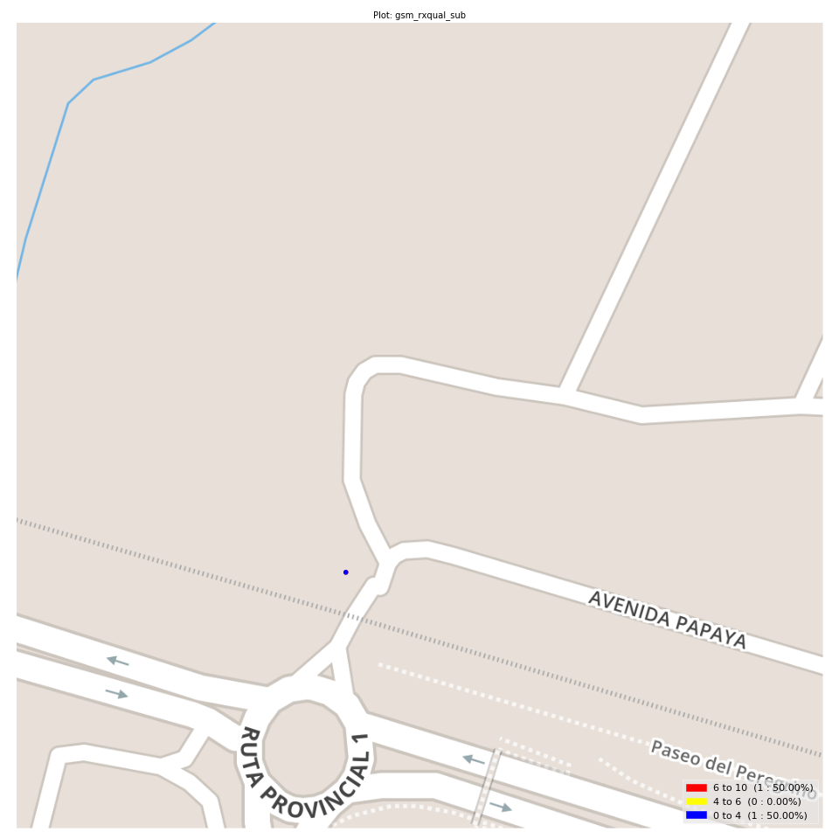
gsm_rxqual_sub Report

Sampling Distribution Histogram
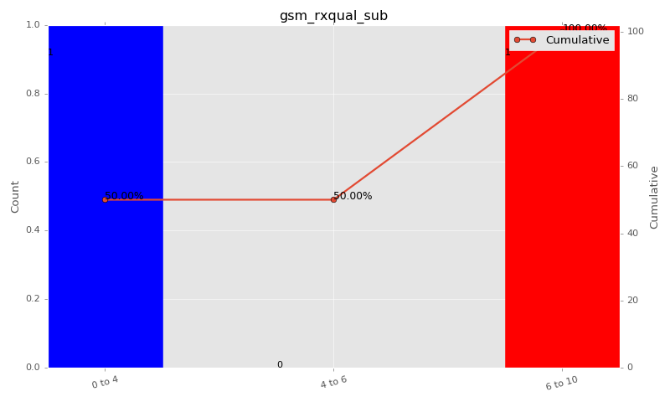

Sampling Distribution Table (first 10 ranges)
ColorXml | Lower | Upper | N Samples | Range | % | Cumulative %
 | 0 | 4 | 1 | 0 to 4 | 50.00 | 50.00
 | 4 | 6 | 0 | 4 to 6 | 0.00 | 50.00
 | 6 | 10 | 1 | 6 to 10 | 50.00 | 100.00

Basic statistics
N | 2
Mean | 3.50
SD | 4.95
MAX | 7.00
Median | 3.50
Min | 0.00

Geographical Plot

gsm_arfcn_bcch
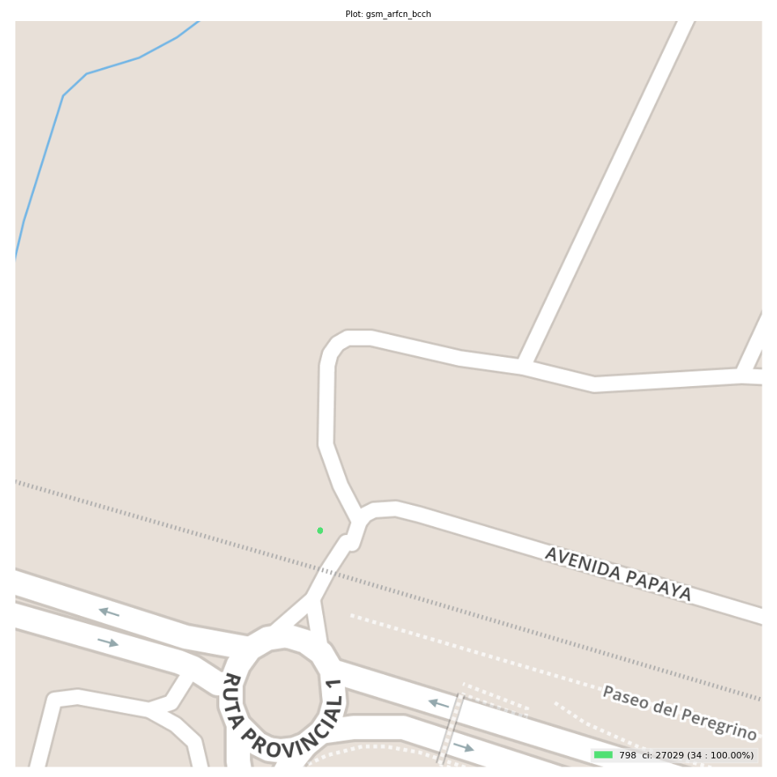
gsm_arfcn_bcch Report

Sampling Distribution Histogram
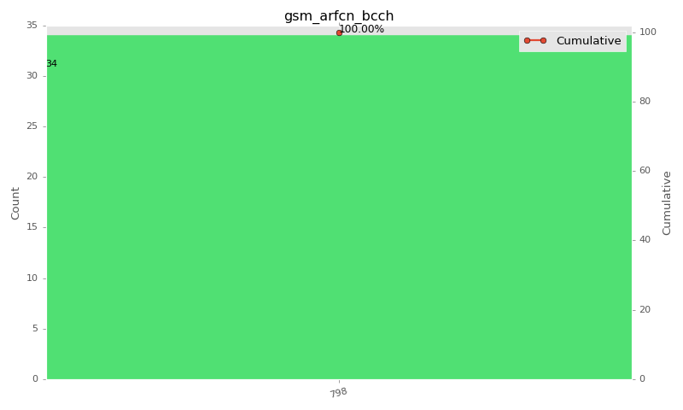

Sampling Distribution Table (first 10 ranges)
ColorXml | Lower | Upper | match_value | N Samples | Range | % | Cumulative %
 |  |  | 798 | 34 |  | 100.00 | 100.00

Basic statistics
N | 34
Mean | N/A (id-type column: gsm_arfcn_bcch)
SD | N/A (id-type column: gsm_arfcn_bcch)
MAX | N/A (id-type column: gsm_arfcn_bcch)
Median | N/A (id-type column: gsm_arfcn_bcch)
Min | N/A (id-type column: gsm_arfcn_bcch)

Geographical Plot

lte_inst_rsrp_1
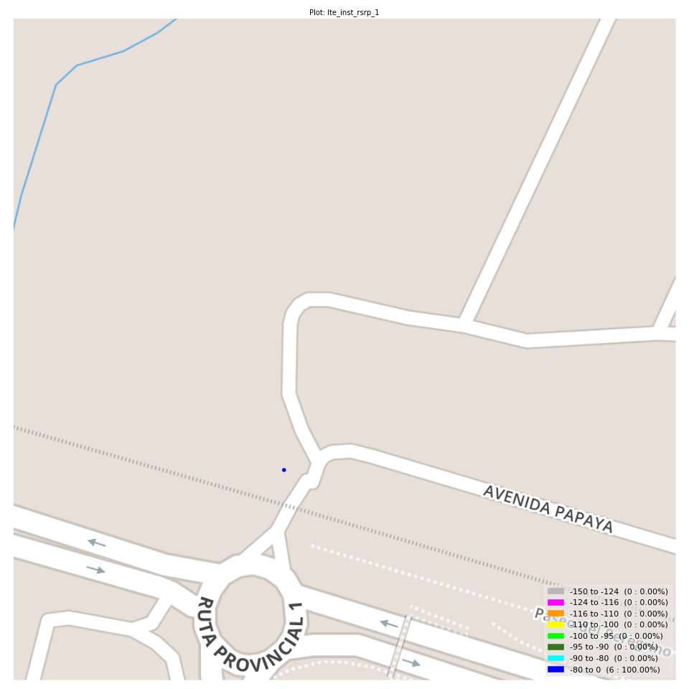
lte_inst_rsrp_1 Report

Sampling Distribution Histogram
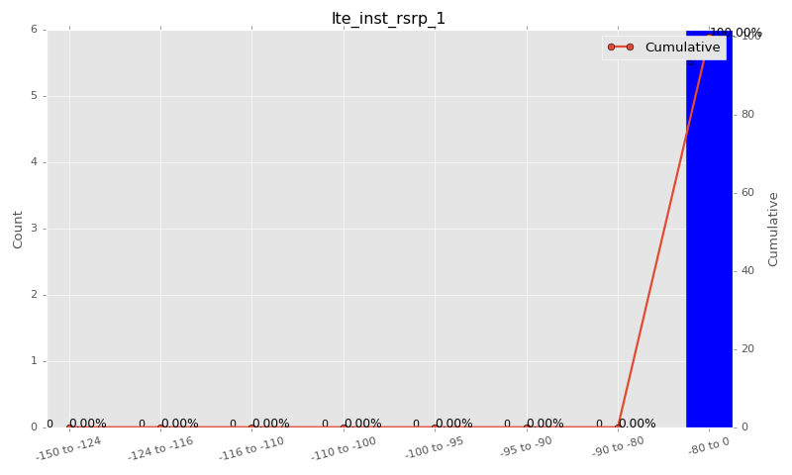

Sampling Distribution Table (first 10 ranges)
ColorXml | Lower | Upper | N Samples | Range | % | Cumulative %
 | -150 | -124 | 0 | -150 to -124 | 0.00 | 0.00
 | -124 | -116 | 0 | -124 to -116 | 0.00 | 0.00
 | -116 | -110 | 0 | -116 to -110 | 0.00 | 0.00
 | -110 | -100 | 0 | -110 to -100 | 0.00 | 0.00
 | -100 | -95 | 0 | -100 to -95 | 0.00 | 0.00
 | -95 | -90 | 0 | -95 to -90 | 0.00 | 0.00
 | -90 | -80 | 0 | -90 to -80 | 0.00 | 0.00
 | -80 | 0 | 6 | -80 to 0 | 100.00 | 100.00

Basic statistics
N | 6
Mean | -76.91
SD | 0.76
MAX | -75.97
Median | -76.78
Min | -77.84

Geographical Plot

lte_inst_rsrq_1
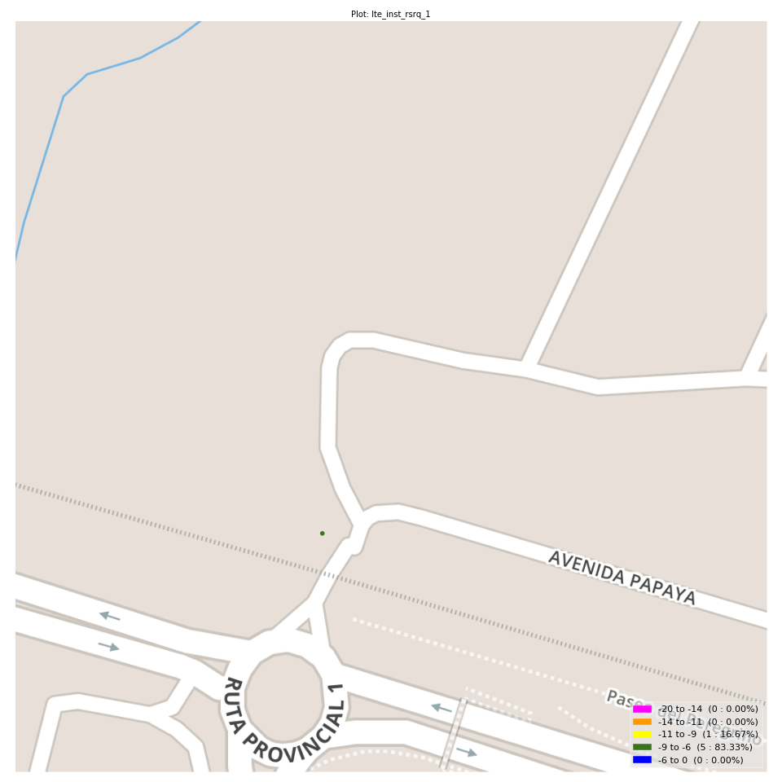
lte_inst_rsrq_1 Report

Sampling Distribution Histogram
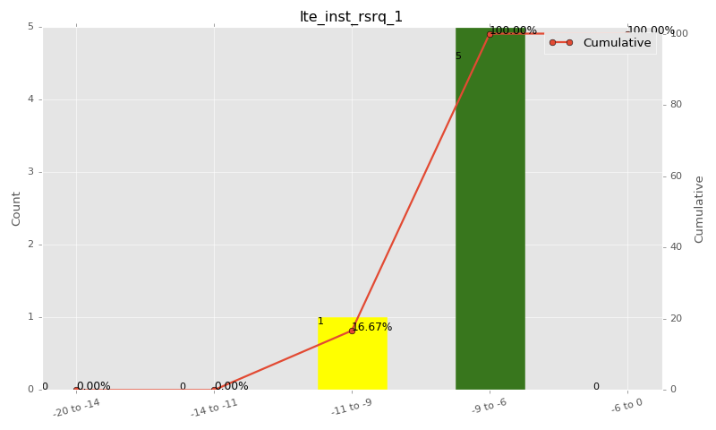

Sampling Distribution Table (first 10 ranges)
ColorXml | Lower | Upper | N Samples | Range | % | Cumulative %
 | -20 | -14 | 0 | -20 to -14 | 0.00 | 0.00
 | -14 | -11 | 0 | -14 to -11 | 0.00 | 0.00
 | -11 | -9 | 1 | -11 to -9 | 16.67 | 16.67
 | -9 | -6 | 5 | -9 to -6 | 83.33 | 100.00
 | -6 | 0 | 0 | -6 to 0 | 0.00 | 100.00

Basic statistics
N | 6
Mean | -8.70
SD | 0.43
MAX | -8.09
Median | -8.70
Min | -9.31

Geographical Plot

lte_inst_rssi_1
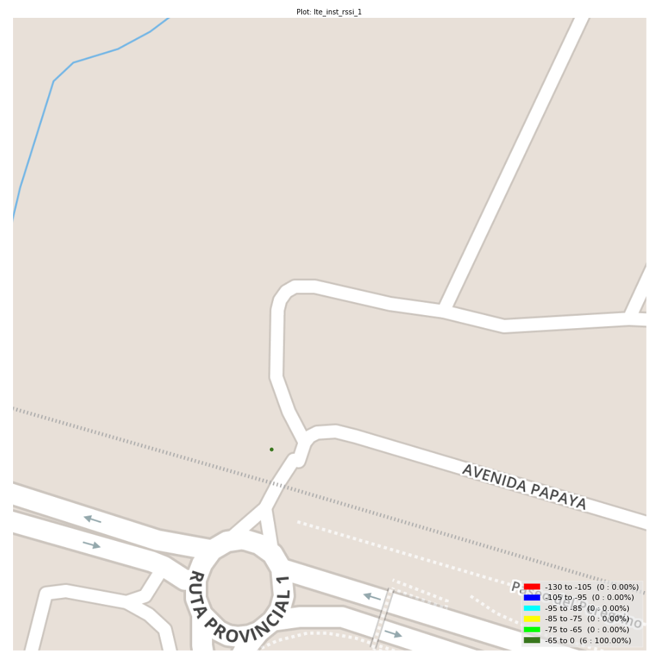
lte_inst_rssi_1 Report

Sampling Distribution Histogram
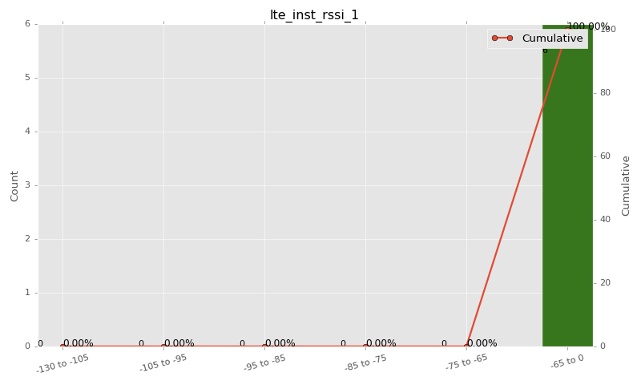

Sampling Distribution Table (first 10 ranges)
ColorXml | Lower | Upper | N Samples | Range | % | Cumulative %
 | -130 | -105 | 0 | -130 to -105 | 0.00 | 0.00
 | -105 | -95 | 0 | -105 to -95 | 0.00 | 0.00
 | -95 | -85 | 0 | -95 to -85 | 0.00 | 0.00
 | -85 | -75 | 0 | -85 to -75 | 0.00 | 0.00
 | -75 | -65 | 0 | -75 to -65 | 0.00 | 0.00
 | -65 | 0 | 6 | -65 to 0 | 100.00 | 100.00

Basic statistics
N | 6
Mean | -51.20
SD | 1.25
MAX | -49.56
Median | -51.91
Min | -52.12

Geographical Plot

lte_sinr_rx0_1
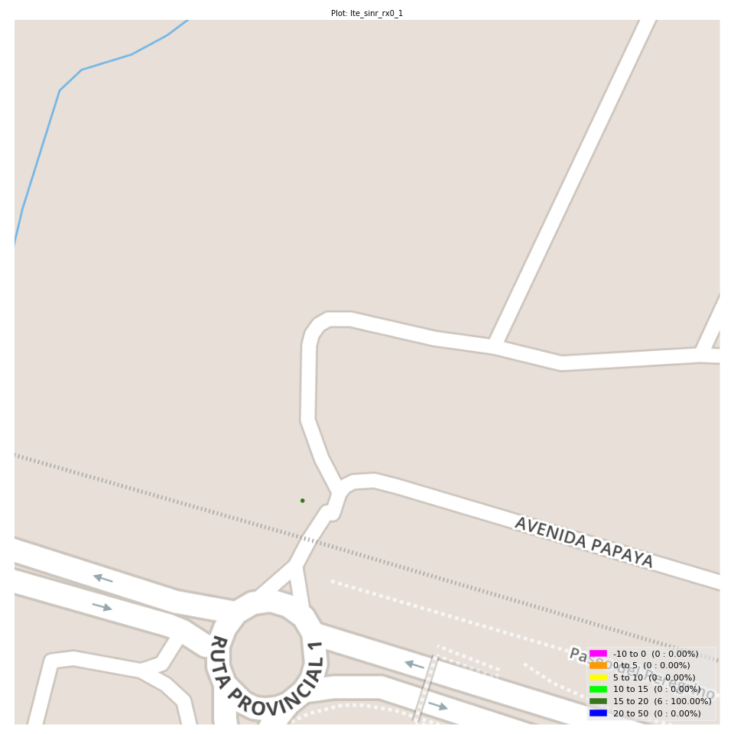
lte_sinr_rx0_1 Report

Sampling Distribution Histogram
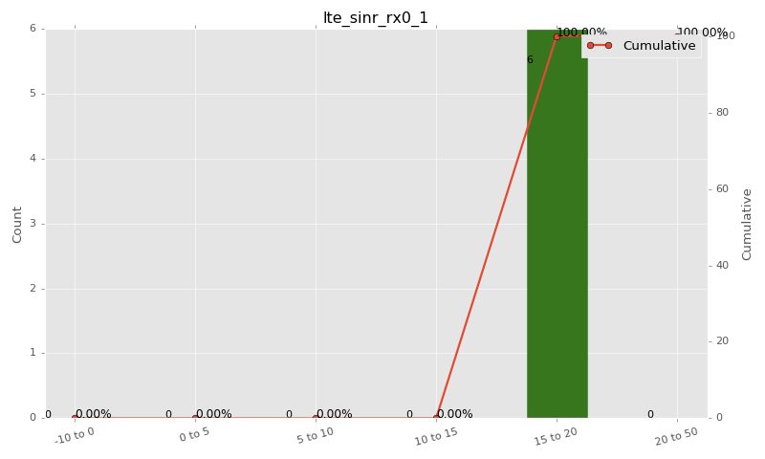

Sampling Distribution Table (first 10 ranges)
ColorXml | Lower | Upper | N Samples | Range | % | Cumulative %
 | -10 | 0 | 0 | -10 to 0 | 0.00 | 0.00
 | 0 | 5 | 0 | 0 to 5 | 0.00 | 0.00
 | 5 | 10 | 0 | 5 to 10 | 0.00 | 0.00
 | 10 | 15 | 0 | 10 to 15 | 0.00 | 0.00
 | 15 | 20 | 6 | 15 to 20 | 100.00 | 100.00
 | 20 | 50 | 0 | 20 to 50 | 0.00 | 100.00

Basic statistics
N | 6
Mean | 18.47
SD | 0.50
MAX | 19.30
Median | 18.40
Min | 17.90

Geographical Plot

lte_sinr_rx1_1

lte_sinr_rx1_1 Report

Sampling Distribution Histogram


Sampling Distribution Table (first 10 ranges)
ColorXml | Lower | Upper | N Samples | Range | % | Cumulative %
 | -10 | 0 | 0 | -10 to 0 | 0.00 | 0.00
 | 0 | 5 | 0 | 0 to 5 | 0.00 | 0.00
 | 5 | 10 | 0 | 5 to 10 | 0.00 | 0.00
 | 10 | 15 | 0 | 10 to 15 | 0.00 | 0.00
 | 15 | 20 | 6 | 15 to 20 | 100.00 | 100.00
 | 20 | 50 | 0 | 20 to 50 | 0.00 | 100.00

Basic statistics
N | 6
Mean | 17.03
SD | 0.72
MAX | 18.10
Median | 17.15
Min | 16.00

Geographical Plot

lte_physical_cell_id_1
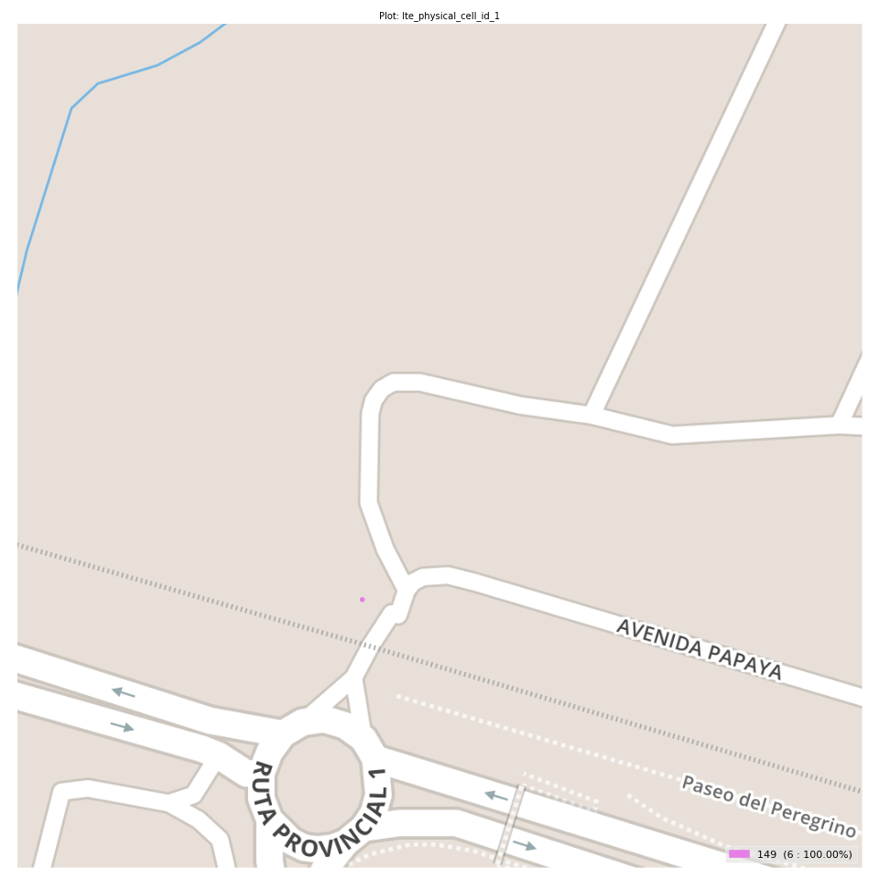
lte_physical_cell_id_1 Report

Sampling Distribution Histogram
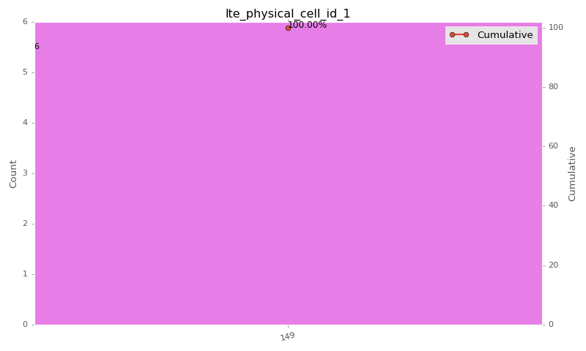

Sampling Distribution Table (first 10 ranges)
ColorXml | Lower | Upper | match_value | N Samples | Range | % | Cumulative %
 |  |  | 149 | 6 |  | 100.00 | 100.00

Basic statistics
N | 6
Mean | N/A (id-type column: lte_physical_cell_id_1)
SD | N/A (id-type column: lte_physical_cell_id_1)
MAX | N/A (id-type column: lte_physical_cell_id_1)
Median | N/A (id-type column: lte_physical_cell_id_1)
Min | N/A (id-type column: lte_physical_cell_id_1)

Geographical Plot

lte_earfcn_1
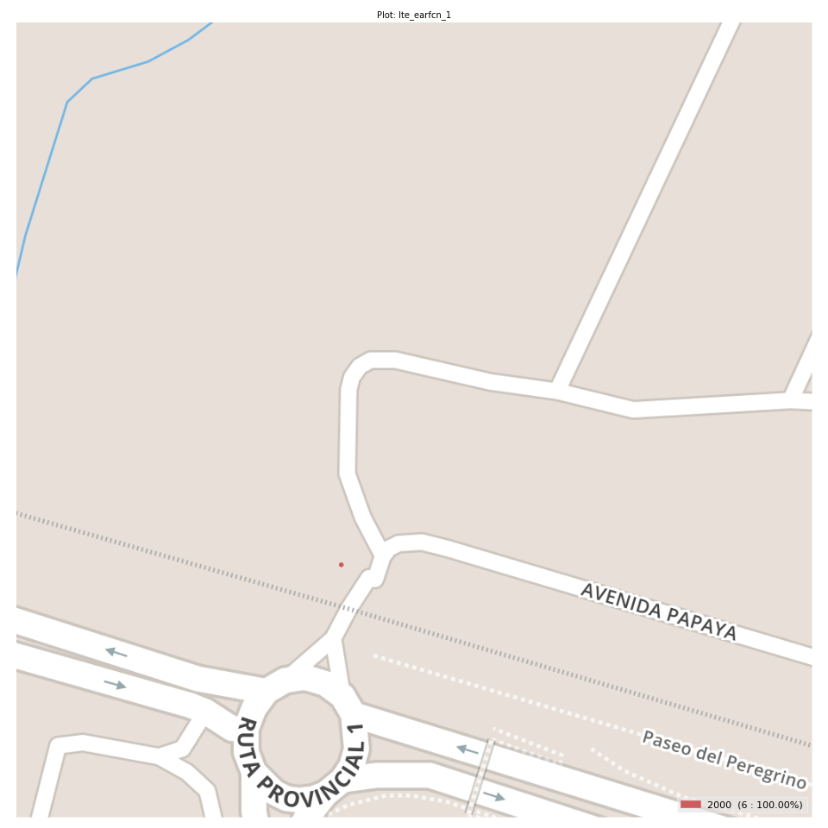
lte_earfcn_1 Report

Sampling Distribution Histogram
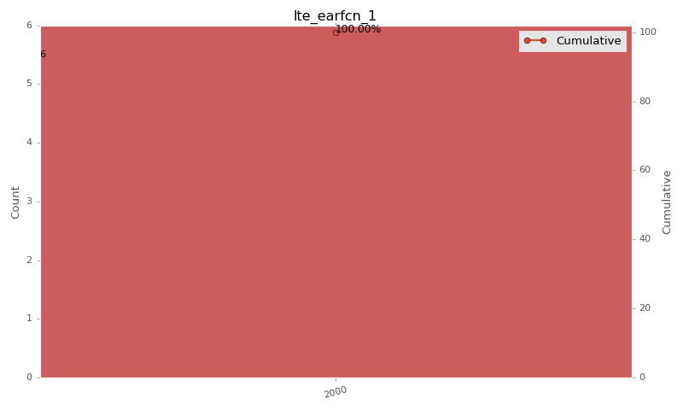

Sampling Distribution Table (first 10 ranges)
ColorXml | Lower | Upper | match_value | N Samples | Range | % | Cumulative %
 |  |  | 2000 | 6 |  | 100.00 | 100.00

Basic statistics
N | 6
Mean | N/A (id-type column: lte_earfcn_1)
SD | N/A (id-type column: lte_earfcn_1)
MAX | N/A (id-type column: lte_earfcn_1)
Median | N/A (id-type column: lte_earfcn_1)
Min | N/A (id-type column: lte_earfcn_1)

Geographical Plot

